Sheet1
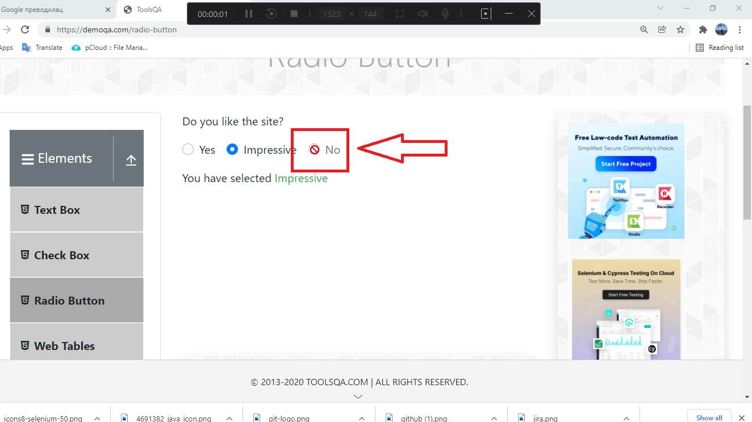
Summary

The radio button does not work

Description

When the user goes to https://demoqa.com/radio-button and horver on "No" radio button, the cursor becomes not alowed, even if the user clicks on the "No" radio button is not allowed to be selected.

Steps to reproduce

1. Open Google Chrome browser 2. Go to URL: https://www.demoqa.com/radio-button 3. Hover on "No" radio button 4. Click on "No" radio button

Expected Result

The "No" radio button is selected, other radio buttons are unselected and the notification displays a message "You have selected No"

Actual result

The user is not allowed to select the "No" radio button

Priority: Medium
Severity: Low
Repro rate: 100%

Screenshot

